Workflow Diagrams
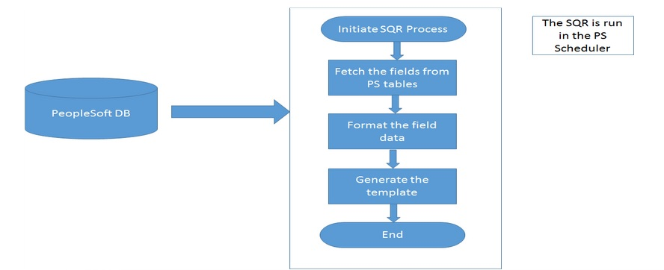
AP_JHIST.SQR - AP_JHIST (Job & Position History Extract) Design Specification
 | Workflow Diagrams

